Sources from Google
From Annual Report - no of equity shares (Equity shares of ₹ rs each) | market prices for [Stockopedia, Finology]

1. Dr. Reddy's Laboratories [Equity shares of rs.5 each] | Dr. Reddy's Laboratories shares over the past few years:

 | 2020: ₹5,204.10
 | 2021: ₹4,908.65
 | 2022: ₹4,234.40
 | 2023: ₹5,797.90
 | 2024: ₹1,274.19 (based on latest data available)

2. Sun Pharmaceutical Industries [Equity shares of rs.1 each] | Sun Pharmaceutical Industries over the past few years:

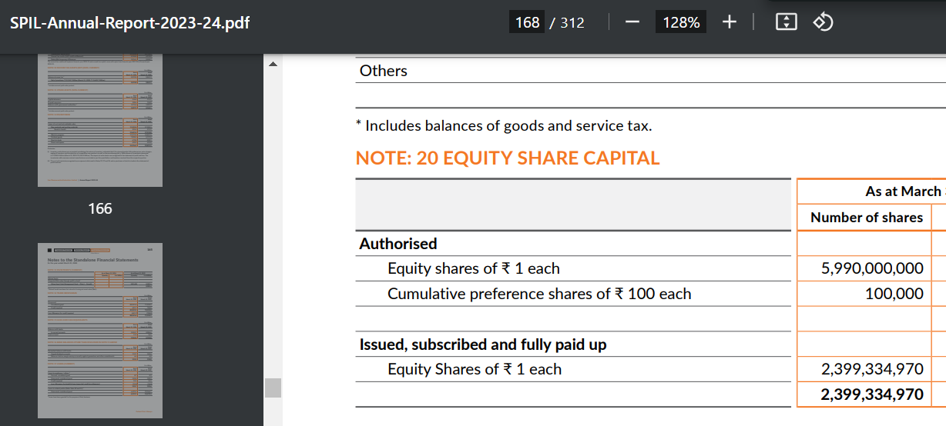
 | 2020: ₹592.35
 | 2021: ₹845.40
 | 2022: ₹1000.70
 | 2023: ₹1259.45
 | 2024: ₹1860.40 (as of the latest available data)

3. Cipla [Equity shares of rs.2 each] | market prices per share for Cipla Ltd. over the past five years:
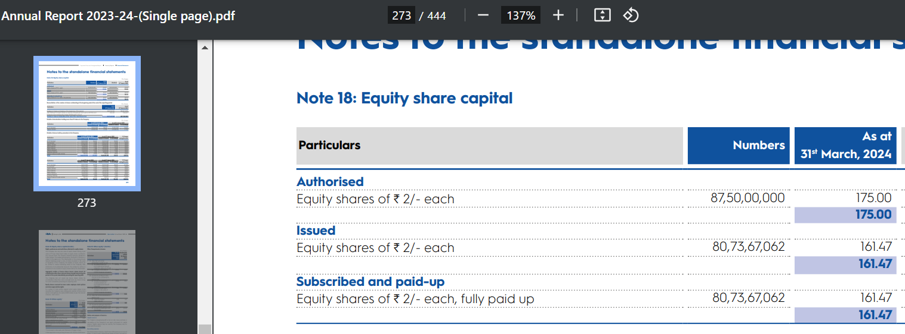
 | 2020: ₹712.50
 | 2021: ₹900.00
 | 2022: ₹970.00
 | 2023: ₹1,065.00
 | 2024: ₹1,701.10 (as of the latest available data)​

